Group Columns & Rows
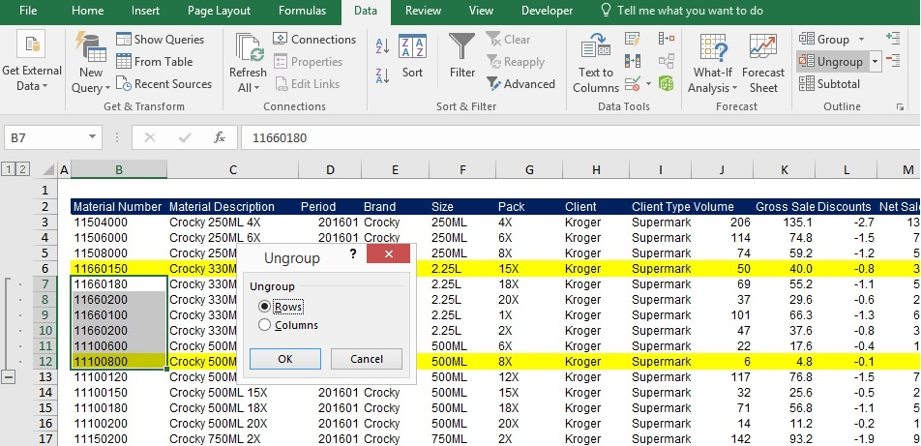
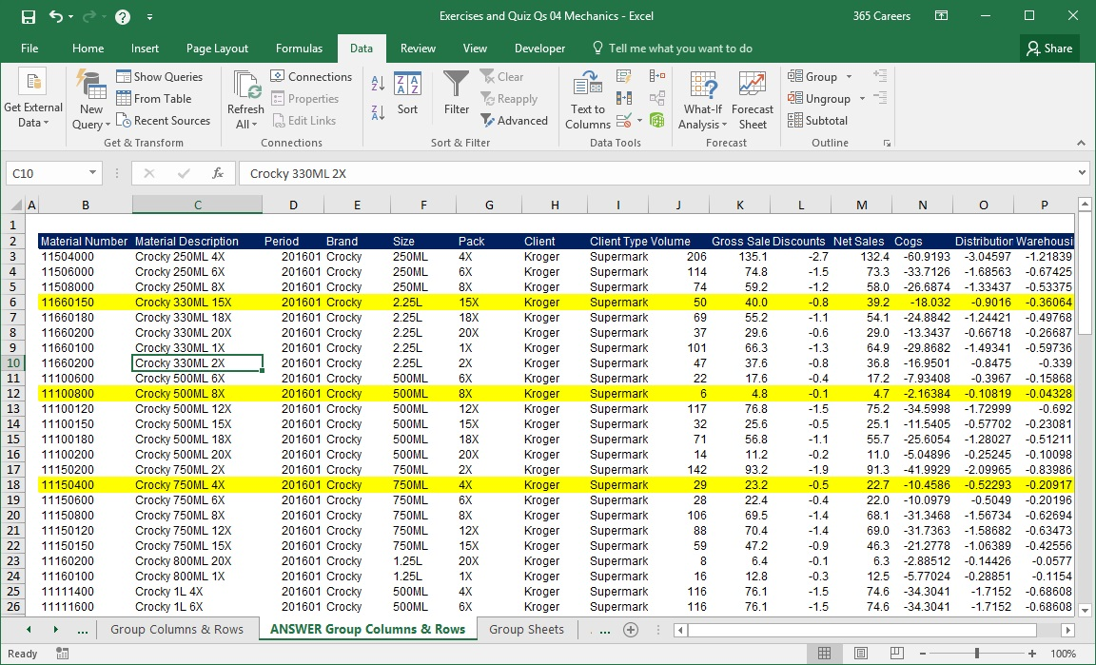
SOLUTION - Group Columns & Rows

Task 1: Group columns B and C. Then, group G and H. Finally, group the columns from G to L.

Select columns B and C and then click on the Group button in the Data tab.

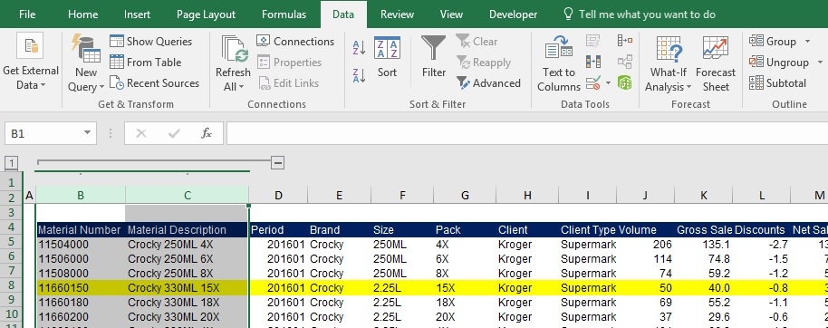

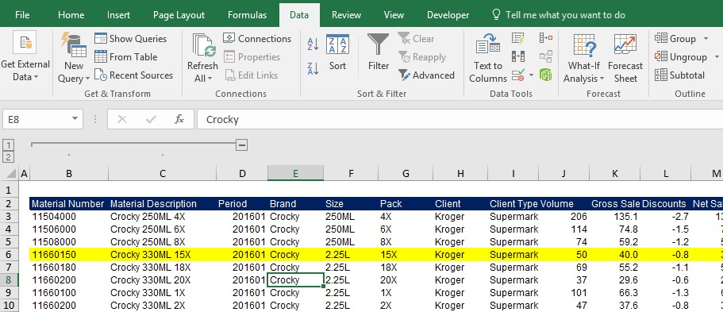

Select columns G and H and then click on the Group button in the Data tab. After you do so, you can manipulate the groups as shown below.

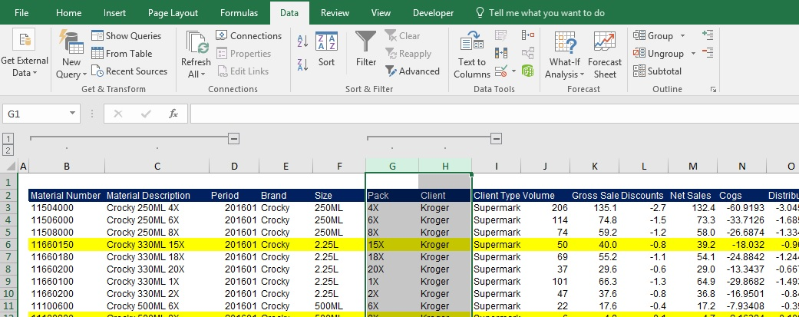

To create a group with the columns from G to L, select the columns and then press the Group button. You can see the result below. Remember, on the left side, you will have numbers that will represent the hierarchy of the organization of your columns into groups.

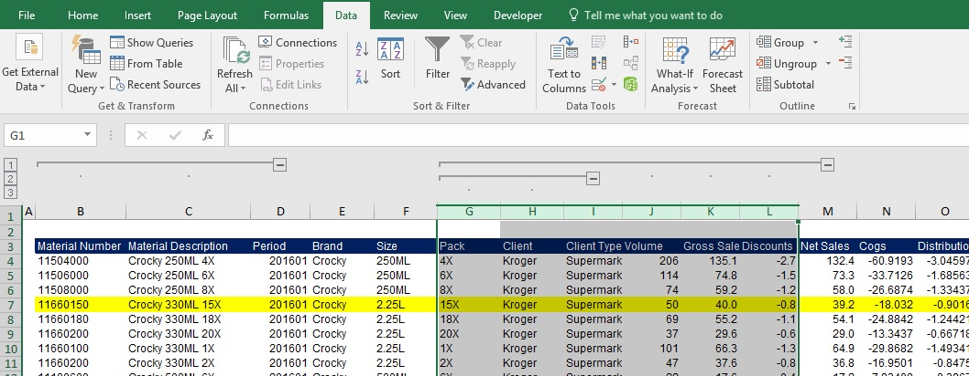

Task 2: Ungroup the columns you grouped in the previous task.

To accomplish this, you need to repeat the same steps, but this time, press the Ungroup button under the Data tab.

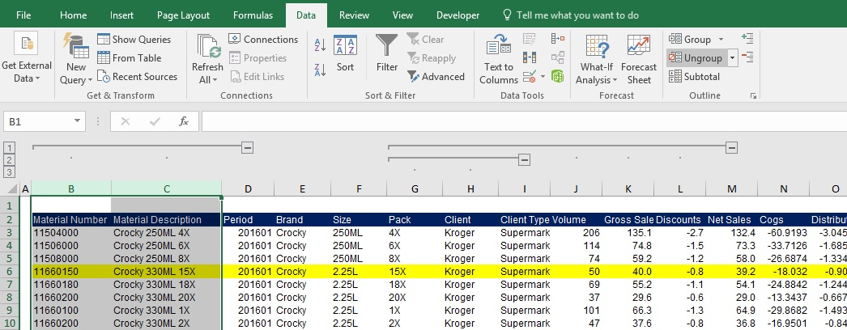

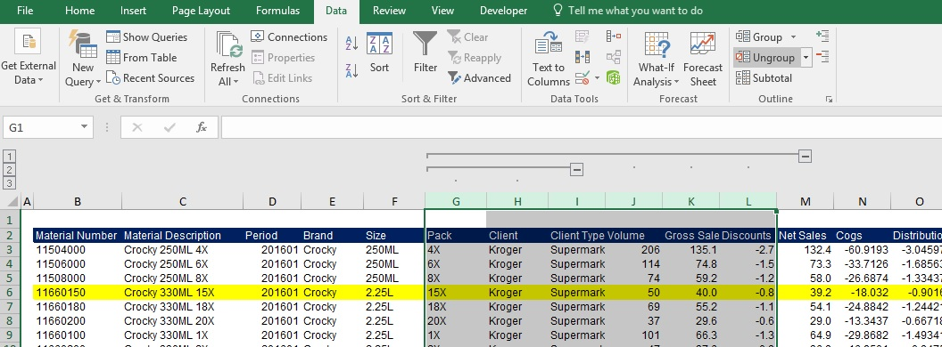

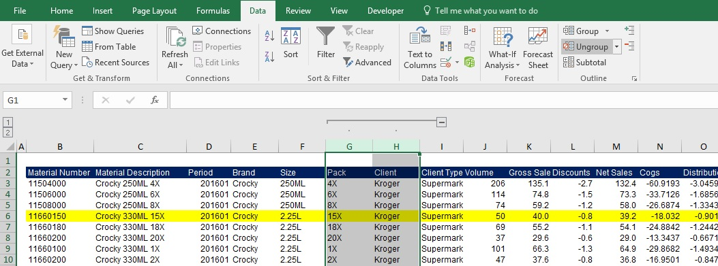

Task 3: Group all the rows from Material Number 11660180 to 11100800.

The procedure is analogical to grouping columns. Remember, it is not indispensable to select the entire rows (or columns). Select the adjacent cells representing the rows you are about to group.

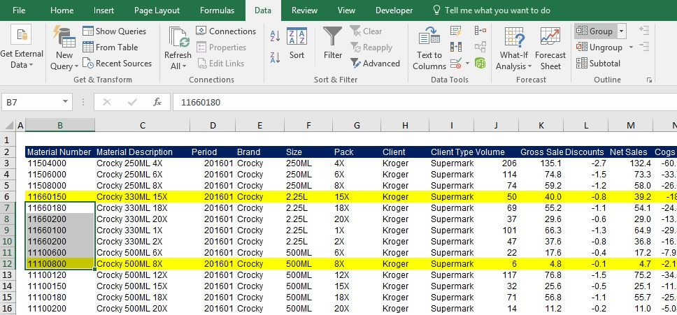

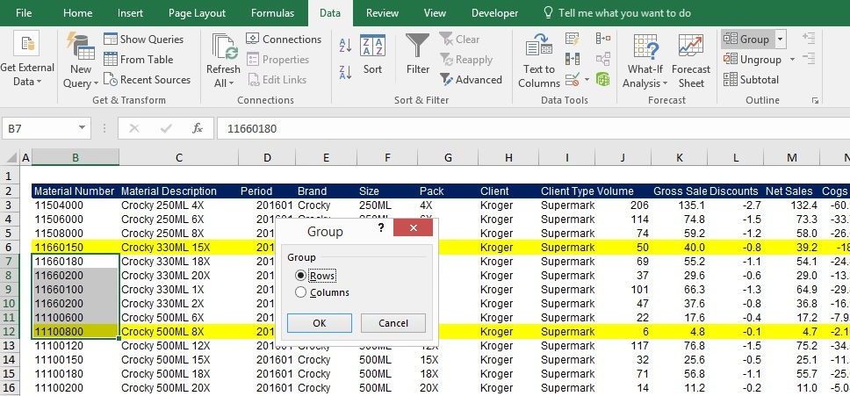

This results from grouping the rows with material numbers from 11660180 to 11100800. Should you hide the group, you must press the minus sign in the left part of the screen.
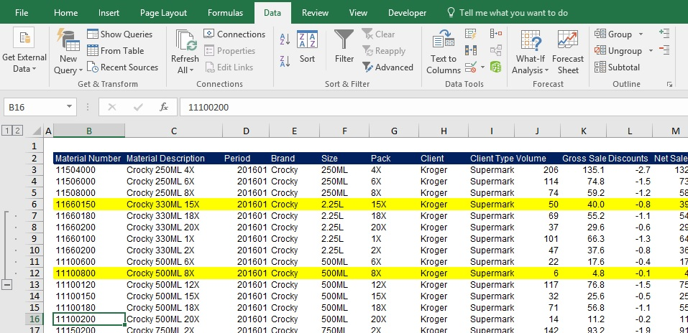

If you want to unhide the group, press the plus sign, as indicated on the picture below.
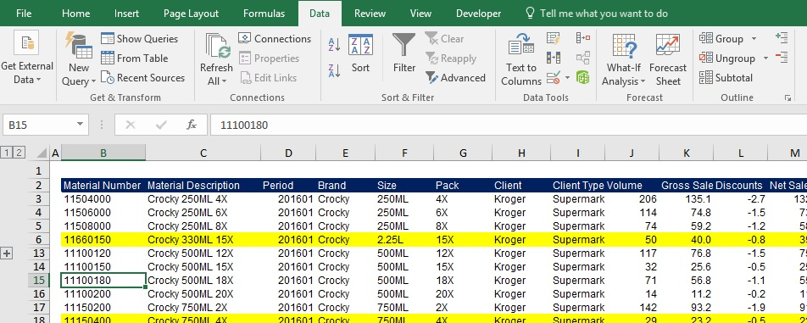

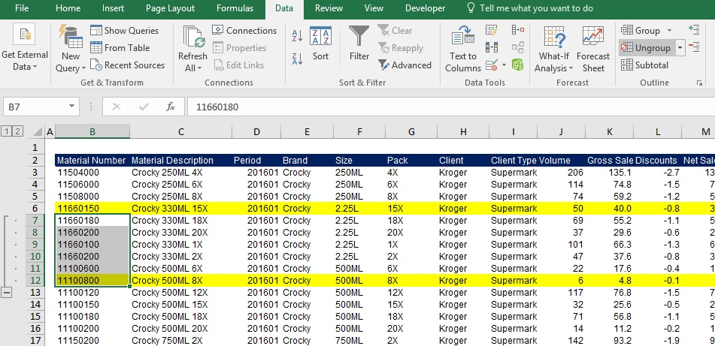

Task 4: Ungroup these rows.

Follow the same steps as the ones we used for ungrouping columns.

